Feuil1
REF | PIC | TAKE ALL | 36 | 36.5 | 37.5 | 38 | 38.5 | 39.5 | 40 | 40.5 | 41.5 | 42 | 42.5 | 43.5 | 44 | 44.5 | 45.5 | 46 | 46.5 | 47.5 | 48.5 | 49.5 | TOTAL
IG1296 | 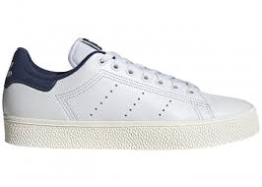 | 33.00 € |  |  |  |  |  |  |  | 27 | 47 | 19 | 6 | 36 | 42 | 6 | 2 | 6 |  |  |  |  | 191
IG1295 |  | 33.00 € |  |  |  |  |  |  |  | 14 | 31 | 26 | 7 | 33 | 50 | 9 | 7 | 8 |  |  |  |  | 185
FX5501 | 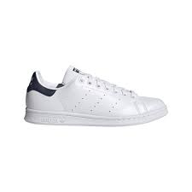 | 33.00 € | 34 | 20 | 34 | 45 | 13 | 8 |  | 3 |  |  |  |  |  |  |  |  |  |  |  |  | 157
REF | PIC | TAKE ALL | 21 | 22 | 23 | 24 | 25 | 26 | 27 |  |  |  |  |  |  |  |  |  |  |  |  |  | TOTAL
FX7532 | 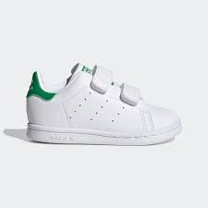 | 20.00 € | 34 | 34 | 102 | 136 | 136 | 136 | 102 |  |  |  |  |  |  |  |  |  |  |  |  |  | 680
REF | PIC | TAKE ALL | 36 | 36.5 | 37.5 | 38 | 38.5 | 39.5 | 40 | 40.5 | 41.5 | 42 | 42.5 | 43.5 | 44 | 44.5 | 45.5 | 46 | 46.5 | 47.5 | 48.5 | 49.5 | TOTAL
IJ1282 | 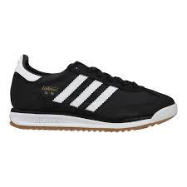 | 33.00 € |  | 1 | 2 | 14 | 13 | 21 | 21 | 10 | 11 | 19 | 16 | 19 | 20 | 18 | 12 | 14 |  |  |  |  | 211
 |  |  |  |  |  |  |  |  |  |  |  |  |  |  |  |  |  |  |  |  |  |  | 1267

